Sheet1
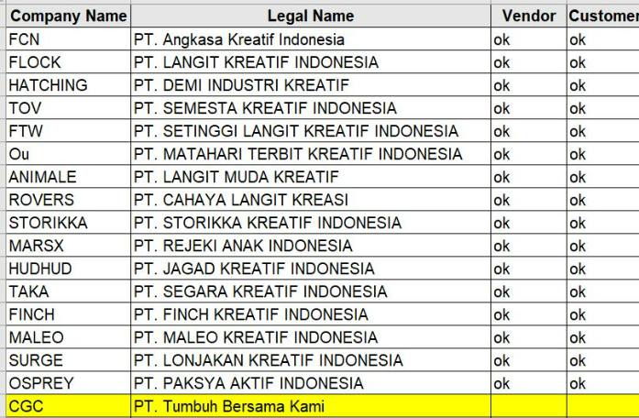
No | Company Name | Legal Name | Vendor | Customer
1 | FCN | PT Angkasa Kreatif Indonesia | ok | ok
2 | FLOCK | PT. LANGIT KREATIF INDONESIA | ok | ok
3 | HATCHING | PT. DEMI INDUSTRI KREATIF | ok | ok
4 | TOV | PT. SEMESTA KREATIF INDONESIA | ok | ok
5 | FTW | PT. SETINGGI LANGIT KREATIF INDONESIA | ok | ok
6 | Ou | PT. MATAHARI TERBIT KREATIF INDONESIA | ok | ok
7 | ANIMALE | PT. LANGIT MUDA KREATIF | ok | ok
8 | ROVERS | PT. CAHAYA LANGIT KREASI | ok | ok
9 | STORIKKA | PT. STORIKKA KREATIF INDONESIA | ok | ok
10 | MARSX | PT. REJEKI ANAK INDONESIA | ok | ok
11 | HUDHUD | PT. JAGAD KREATIF INDONESIA | ok | ok
12 | TAKA | PT. SEGARA KREATIF INDONESIA | ok | ok
13 | FINCH | PT. FINCH KREATIF INDONESIA | ok | ok
14 | MALEO | PT. MALEO KREATIF INDONESIA | ok | ok
15 | SURGE | PT. LONJAKAN KREATIF INDONESIA | ok | ok
16 | OSPREY | PT. PAKSYA AKTIF INDONESIA | ok | ok
17 | CGC | PT. Tumbuh Bersama Kami | ok | ok

